Math
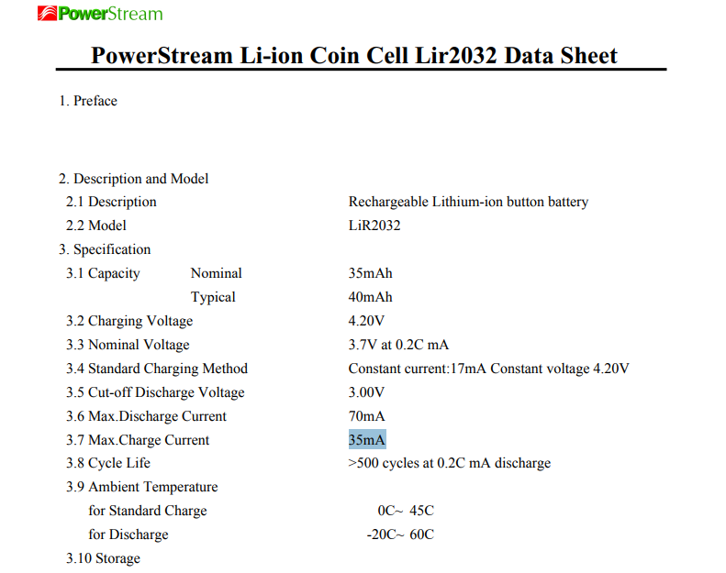
Programming Resistor |  |  |  |  |  | LIR2032:
Item | Value | Units
R_Prog | 50.5 | kOhm
I_Reg | 19.801980198 | mA | beneath the 35mA max charge current
Capacity | 40 | mAh
time to full | 2.02 | hours

Voltage Ladder Part 1 - finding Resistances at Max charge
Item | Value | Units
Current | 0.01 | mA
R_TOT | 420 | kOhms
V1 | 4.2 | V
V2 | 3 | V
GROUND | 0 | V
R1 | 120 | kOhms
R2 | 300 | kOhms

Voltage Ladder Part 2 - Finding voltages at Min charge
Item | Value | Units
Current | 0.0066666666667 | mA
R_TOT | 450 | kOhms
R1 | 120 | kOhms
R2 | 330 | kOhms
V1 | 3 | V
V2 | 2.2 | V |  |  | 73%
GROUND | 0 | V

Voltage Ladder Part 3 - Finding voltages at random charge
Item | Value | Units
Current | 0.0093555555556 | mA
R_TOT | 450 | kOhms
R1 | 120 | kOhms
R2 | 330 | kOhms |  |  |  | MCP73832T-2ACI_OT
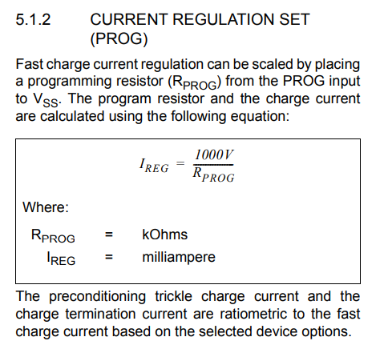
V1 | 4.21 | V
GROUND | 0 | V
V2 | 3.0873333333 | V

 |  |  | Time | Percent
 |  |  | 23:20:00 | 97
 |  |  | 12:41:00 | 84
 |  |  | 1:07:00 | 80

